Tabelle1
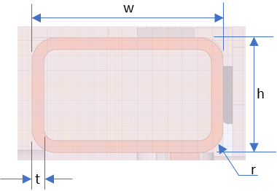
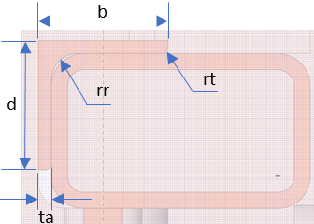
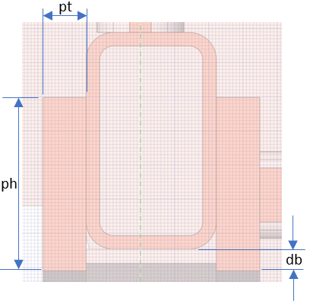
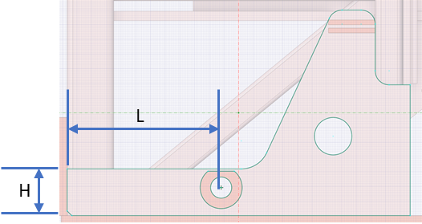
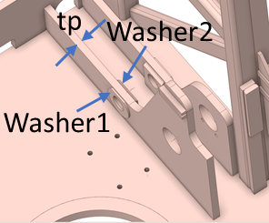
Mast name | Feed Type | Mast width | Mast depth | A | B | C | D | w | h | t | b | d | ta | rr | rt | pt | ph | db | tp | L | H | Washer1 thickness | Washer2 thickness | Mast weight | Pulldown | Pullback | Rotary torque | MRC Extending force | MRC Retracting force | Yield stress | Young's Modulus
DR410i SP | Cylinder feed | 46 | 28 | 79 | 50 | 226.625 | 367.375 | 5 | 3 | 0.3125 | 2.5 | 2.5 | 0.25 | 0.225 | 0.225 | 1 | 4 | 0.5 | 1 | 16.5 | 5 | 0.25 | 0.5 | 22,491 | 68,898 | 35,703 | 90,904 | 116,140 | 58,905 | 50,000 | 200,000
DR410i MP | Cylinder feed | 46 | 30 | 79 | 50 | 226.625 | 209.375 | 5 | 3 | 0.3125 | 0 | 0 | 0 | 0 | 0 | 1 | 4 | 0.5 | 1 | 18.5 | 5 | 0.25 | 0.5 | 20,544 | 68,898 | 35,703 | 90,904 | 86,276 | 65,974 | 50,000 | 200,000
DR411i SP | Cylinder feed | 46 | 32 | 79 | 60 | 281.625 | 450.375 | 5 | 3 | 0.5 | 0 | 0 | 0 | 0 | 0 | 1 | 4 | 0.5 | 1 | 20.5 | 5 | 0.25 | 1.5 | 23,873 | 77,037 | 21,481 | 126,000 | 165,670 | 72,708 | 50,000 | 200,000
DR412i SP | Motor feed | 42 | 31 | 72.5 | 60 | 342.5 | 430 | 5 | 3 | 0.375 | 2.5 | 2.5 | 0.25 | 0.225 | 0 | - | - | - | N/A | N/A | N/A | N/A | N/A | 32,569 | 89,018 | 44,508 | 165,370 | 222,660 | 76,341 | 50,000 | 200,000
DR412i MP | Cylinder feed | 48 | 32.5 | 72.5 | 60 | 342.5 | 178.205 | 6 | 3 | 0.3125 | 3 | 2 | 0.25 | 0.1 | 0 | - | - | - | 1.25 | 19 | 6 | 0 | 0.625 | 36,580 | 89,018 | 44,508 | 165,370 | 178,128 | 85,883 | 50,000 | 200,000
DR413i SP | Motor feed | 48 | 32.5 | 72.5 | 60 | 346.417 | 426 | 5 | 3 | 0.375 | 2.5 | 2.5 | 0.25 | 0.225 | 0.225 | - | - | - | N/A | N/A | N/A | N/A | N/A | 32,958 | 90,000 | 39,891 | 165,000 | 222,660 | 95,426 | 50,000 | 200,000
1. All length units are in inches
2. All force units are in lbf
3. Mast weight is in kg
4. Yield stress and Young's Modulus is in psi

